Sheet1
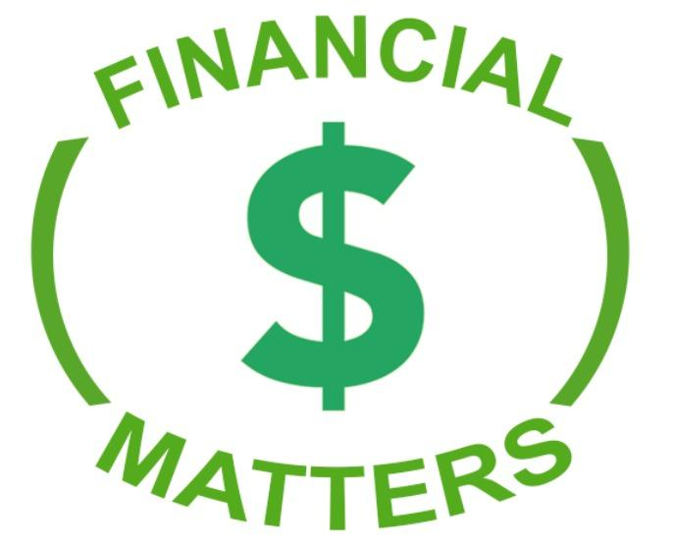

Debt Repayment Plan:
Instructions: List all your the debt you owe starting with either from the highest or lowest amount. Fill in the APR (Interest rates) minimum payment amount
Debt Management
Tyoe of Debt | Current Balance | APR | Mini Pay | Remaining Balance | Limit | %of total debt used | Debt Due Date | Debt Payoff Debt
CC # 1 (example) | $1,500.00 | 15.99% | $25.00 | $500.00 | $2,000.00 | 75.00% | 15th of month | 2019-12-31
CC # 2 | $0.00 | 0.00% | $0.00 | $0.00 | $0.00 | #DIV/0!
Student Loan | $0.00 | 0.00% | $0.00 | $0.00 | $0.00 | #DIV/0!
Personal Loan | $0.00 | 0.00% | $0.00 | $0.00 | $0.00 | #DIV/0!
Car Loan | $0.00 | 0.00% | $0.00 | $0.00 | $0.00 | #DIV/0!
Mortgage | $0.00 |  | $0.00 | $0.00 | $0.00 | #DIV/0!
Total | $1,500.00 |  | $25.00 | $500.00 | $2,000.00 | 75.00%

Payment Plan |  | Month
Debt | Balance | Jan | Feb | Mar | Apr | May | June | Total
CC # 1 | $0.00 | $0.00 | $0.00 | $0.00 | $0.00 | $0.00 | $0.00 | $0.00
CC # 2 | $0.00 | $0.00 | $0.00 | $0.00 | $0.00 | $0.00 | $0.00 | $0.00
Student Loan | $0.00 | $0.00 | $0.00 | $0.00 | $0.00 | $0.00 | $0.00 | $0.00
Personal Loan | $0.00 | $0.00 | $0.00 | $0.00 | $0.00 | $0.00 | $0.00 | $0.00
Car Loan | $0.00 | $0.00 | $0.00 | $0.00 | $0.00 | $0.00 | $0.00 | $0.00
Mortgage | $0.00 | $0.00 | $0.00 | $0.00 | $0.00 | $0.00 | $0.00 | $0.00
Total | $0.00 | $0.00 | $0.00 | $0.00 | $0.00 | $0.00 | $0.00 | $0.00

